User Guide
0
 | Basic User Guide

 |  | Stage | Detail | Illustration
 |  | Introduction | The PEAT tool helps SROs and Programme Teams generate and agree a PEAP comprising a tailored list of LOEs with related artefacts and assurance banding (indicating the extent of assurance expected for each LoE) for their programme. The Tool's flow encourages teams to focus on identifying necessary LOEs and related assurance bands first before deciding evidence artifacts (which may satisfy more than one LOE) and then who will assure. Colours - The tool uses various colours to aid navigation of data: - Green cells are calculation/fixed value/data drawn from other sheets and cannot be edited. - Orange cells indicate user input fields, some may have drop down pick lists. - Light yellow (on 2.1) indicates where user can make changes to LOE and assurance band recommenadtions made by tool or add a comment. - Pale Blue indicates where users have inputted data/made choices. - Pink indicates where an LOE has been removed - Graded Green/Yellow highlights (on 2.1 and LOE Hierarchy) indicated LOE. - Red in col A on most sheets indicates that required user input is missing on that row. Navigation - To aid navigation many columns have filters (button next to title) to limit lists to chosen word or phrase; most sheets have buttons at top to navigater to related sheets; 2.1 and LOEHierarchy sheets have links to enable viewing of lvl 3 and 4 LOEs related to lvl 2 LOEs. Note if using the Excel "Find and Select" function from the "Home" menu yu need to set search to "Look In: Values". Important: - the SRO is ultimately accountable for identifying and addressing all activities and LOEs of the Programme. - although most sheets and required inputs relate to lvl 2 LOEs, some have lvl3 and 4 detail which team should considered particularly when deciding artefacts to produce. The LOE Hierarchy sheet provides details and links to related guidance of all LOEs. - the core LOE herarchy within the tool can never cover and be appropriate for all circumstance and so the too | 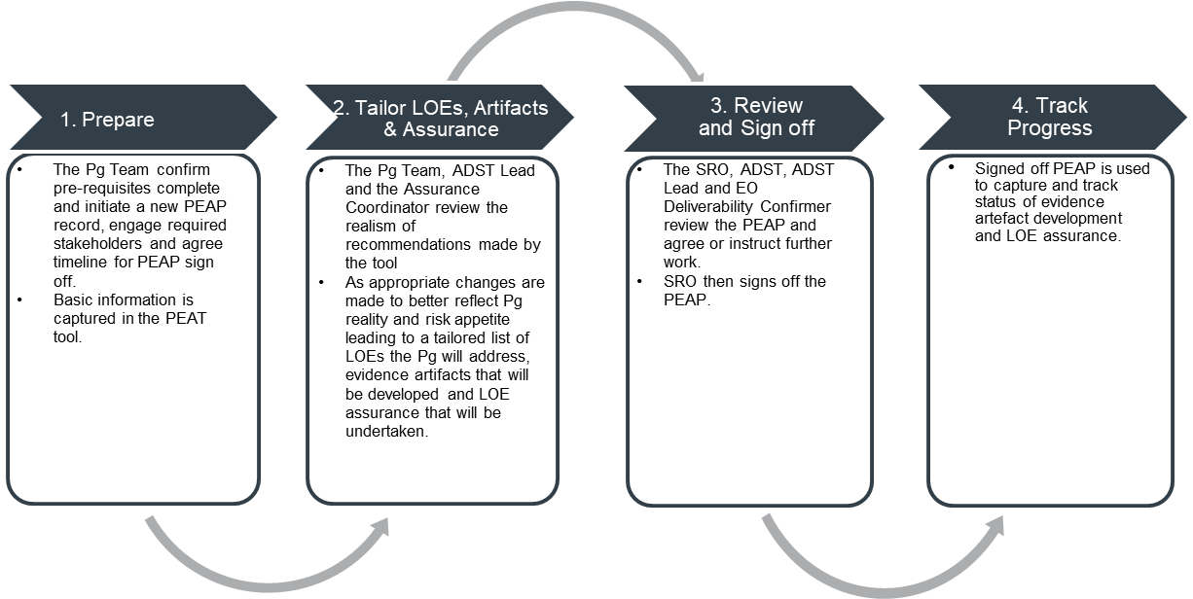

 |  | Prepare | Use 1.1 Pg Details sheet to capture programme name, DAT Id number and other basic information. To ensure common understanding of all stakeholders using the PEAP, its recommended that a clear description of the intent and overall context be captured. Teams must identify programme type and current business case stage. The tool uses these detail to automatically recommend which LOEs should be pursued. More than one programme type can be selected. If unsure, err on the side of caution and select all those that seem applicable. Use 1.2 RCA sheet requires users to input score and narrative from related signed off RCA. Ensure all 37 core factors have a score; if a factors has been deemed inappropriate it should have been scored as 1. The tool uses the score to automatically suggest the assurance band for each LOE (the higher the risk and complexity, the more independence of assurance activity is warrented). If using RCA V2.4 or later note only the scores for first 37 core Factors need to be copied, the DLOD and EO themes are not used by this PEAT tool.

 |  | Tailor - LOEs and Assurance Bands | Use the 2.1 LOEs, Artefacts & Assurance sheet to view and tailor (change) LOE and assurance band selections. LOEs - Programme team and stakeholders (HO, EO and TLB as appropriate) should evaluate the tool recommended list of LOEs. Any required changes can be made using the drop down menus in Keep/Remove LOE column. Any change must be supported by clear justification to support any subsequent review/challenge of the decision. It is recommended LOEs are reviewed with appropriate stakeholders in batches using available column filters (via dropdown menu Inc. word search) If necessary user defined (UD) LOEs can be added at the top of the list. Eight placeholders (UD1-8) are available in the tool. Select 'Changed to Keep' from drop down on Keep/Remove LOE column to activate the row. Assurance Bands - For each LOE the tool recommended assurance band can be changed in the Planned Assurance Band column. Select required change for the drop down as appropate and provide justification. Important to realise that the tool focuses attention on assuring LOEs with evidence potentially being drawn from more than one artifact. Notes: - against each lvl 2 LOE links are provided in col Q and R to the related lvl 3 and 4 LOEs on the LOE Hierarchy sheet. - the tool only makes recommendations; when tailoring reflect on Pg context, type, R&C profile and consider if tool recommended LOE or assurance band are appropriate and make changes as necessary. - the SRO (advised by Pg team and stakeholders) ultimately decides and is accountable for the PEAP and ensuring all mandated policy is adequately addressed by the programme. Any differing opinion between stakeholders on removing/keeping LOEs or the assurance band required must be acknowledged and managed by the SRO.
 |  | Tailor - Artefacts & Responsible POCs | Also use 2.1 LOEs Artefacts & Assurance sheet to capture the evidence artefacts for each LOE and those individuals/teams POCs responsible for assuring the LOE. Evidence artefacts - Once LOEs to pursue have been identified Pgs. decide what related evidence artefacts are required. For each LOE the tools identifies potentiale evidence artefacts and, on the LOE Hierarchy sheet, has links to related policy and guidance to aid understanding of what is appropriate particularly at LOE lvl3 and 4 granularity (two columns link where appropriate to the detail in LOE Hierrarchy sheet). Use Planned Evidence Artefacts column to capture what will be developed. All unique artefacts added will be listed on 4.1 Artefacts Progress where responsible POC/team, link to the document (or related folder) and developmnet status can be captured. Several unlocked blank columns are provide for user to capture any additional data they may require (e.g. status, boundary, target dates). Important - against each LOE a max of 5 artifacts can be captured and must be separated by a semicolon and no spaces. No colon is required after final item in each cell. Points of Contact (POCs) - Use the relevant column to capture the LOE Assurance Responsible POC/team (undertaking/ensuring necessary assurance of the LOE which may necessitate review of (parts of) several artefacts). Notes: - SRO and team must decide what evidence artefacts are necessary and the level of analysis and granularity of detail needed within the artifact. Take into consideration any lvl 3 or 4 LOEs that may exists against the lvl 2 (see LOE Hierarchy sheet).

 |  | Review and Sign Off | Use 3.1 Sign Off sheet for the SRO to summarise and sign off PEAP before inclusion in IAAP. A summary of the PEAP is provided on this sheet below the sign off details. The SRO/Pg team should seek ADST Lead, EO Deliverability Confirmer, Approval Secretariat and any other impacted stakeholders' views on the suitability of the PEAP and whether it adequately addresses all needs, reflects the nature of the Pg, and know challenges and concerns. The SRO must then decide whether to sign off the PEAP or seek more development. In signing off, the SRO is confirming the list of LOEs, related assurance bands and the related resource form a plan that will be enacted. In the tool the SRO should summarise the PEAP, commitments made by stakeholders and capture any key next steps, risk mitigations etc Important: ** SRO is accountable for PEAP and decides how much risk to take when deciding LOE and assurance needs in support of programme delivery (and related business case submissions)** It is recommended that a PDF archive copy of the Agreed Signed Off PEAP is retained before next step where the Excel PEAP is used to track progress. Once signed use the Send Copy button to automatically create a draft email to distribute copies to key stakeholders (as a minimum send to DAPD to support statistical analysis, the email will have been populated with the address ). Use the Feedback button to access a simple survey and help inform tool and related process improvements.

 |  | Track Progress | Having generated and agreed the PEAP, the Pg team will generate the required evidence artefacts and ensure suitable assurance of LOE in support of delivering Pg outputs and development of the Business Cases. Use 4.1 Artefact Progress sheet for capturing developmnet status of each evidence artifact. Use 4.2 LOE Progress for capturing status of LOE assurance including a RAYG rating and links to related documents. Note LOE assurers may need to draw on evidence from several artefacts to inform RAYG choice for the LOE. Use comments column to capture notes, issues, necessary actions etc in support of managing the PEAP Notes: To manage enactment of the PEAP, the Pg team should ensure: - LOE evidence and assurance status are being continuously maintained in the PEAP; - evidence artefact development and LOE assurance activity is being completed to agreed timelines; - LOE assurance undertaken at band 3 is not duplicated at band 1 or 2; - any LOE assurance that is flagging RED has mitigation planned.

 |  | View Statistics | Use the 4.3 Stats sheet to explore composition and overall status of this PEAPs artefacts development and LOE assurance.

 | End of Worksheet
0

